Sheet1
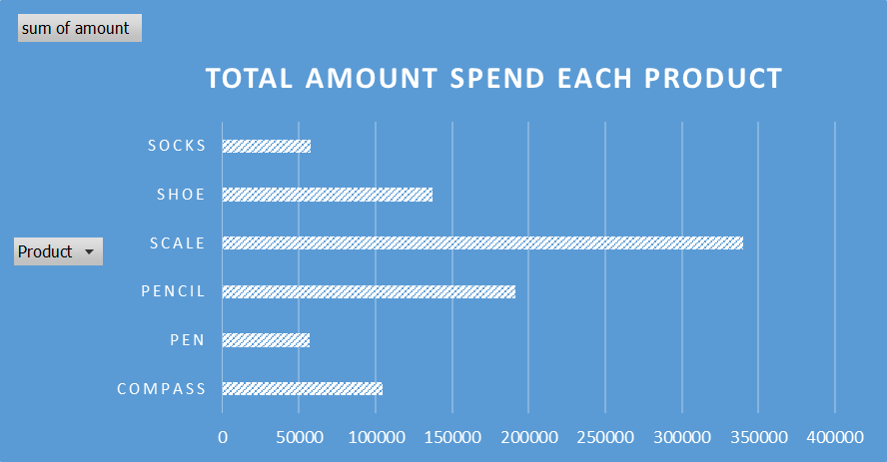
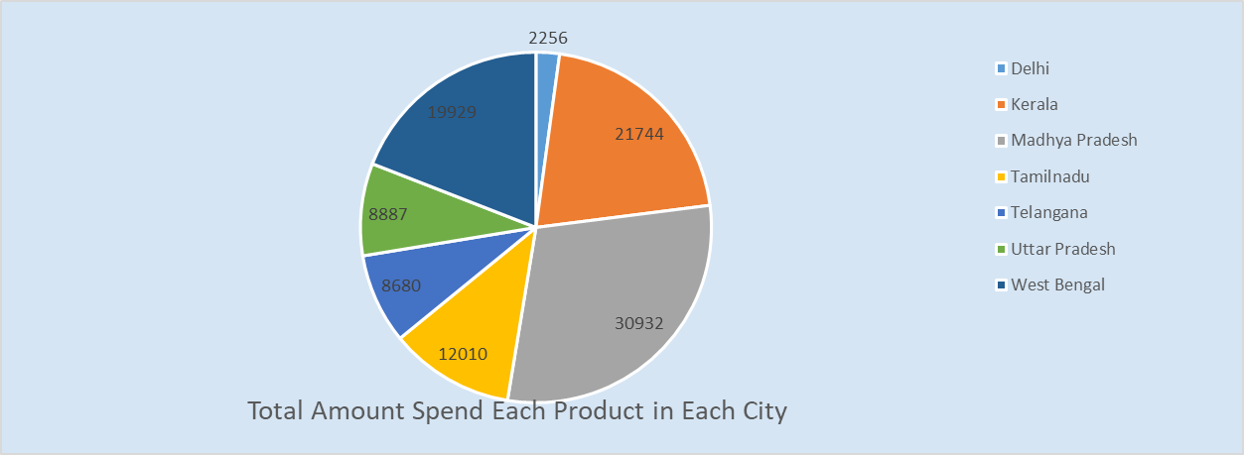

 |  |  |  | Sales in Each city
Main Export products |  | Sum of Amount | Product
sum of amount |  | Country | Compass | Pen | Pencil | Scale | Shoe | Socks | Grand Total
Product | Total | Delhi | 2256 | 7388 | 80193 | 36094 | 9104 | 680 | 135715
Compass | 104438 | Kerala | 21744 | 5600 | 17534 | 42908 | 41815 | 5100 | 134701
Pen | 57079 | Madhya Pradesh | 30932 | 22363 | 28615 | 95061 | 56284 | 7163 | 240418
Pencil | 191257 | Tamilnadu | 12010 |  | 10332 | 40050 |  |  | 62392
Scale | 340295 | Telangana | 8680 | 9186 | 20634 | 52721 | 8106 | 14433 | 113760
Shoe | 136945 | Uttar Pradesh | 8887 | 8775 | 9082 | 39686 | 21636 | 29905 | 117971
Socks | 57281 | West Bengal | 19929 | 3767 | 24867 | 33775 |  |  | 82338
Grand Total | 887295 | Grand Total | 104438 | 57079 | 191257 | 340295 | 136945 | 57281 | 887295

Sheet2
Order ID | Product | Category | Amount | Date | Country
1 | Shoe | Footwear | ₹ 4,270 | 2016-06-01 | Madhya Pradesh | SUM of Amount | Product
2 | Scale | Stationary | ₹ 617 | 2016-08-01 | Madhya Pradesh | Country | Compass | Pen | Pencil | Scale | Shoe | Socks | Grand Total
3 | Scale | Stationary | ₹ 8,384 | 2016-10-01 | West Bengal | Delhi | 2256 | 7388 | 80193 | 36094 | 9104 | 680 | 135715
4 | Socks | Footwear | ₹ 2,626 | 2016-10-01 | Uttar Pradesh | Kerala | 21744 | 5600 | 17534 | 42908 | 41815 | 5100 | 134701
5 | Compass | Stationary | ₹ 3,610 | 2016-11-01 | Madhya Pradesh | Madhya Pradesh | 30932 | 22363 | 28615 | 95061 | 56284 | 7163 | 240418
6 | Scale | Stationary | ₹ 6,906 | 16-1-2016 | Tamilnadu | Tamilnadu | 12010 |  | 10332 | 40050 |  |  | 62392
7 | Pencil | Stationary | ₹ 2,417 | 16-1-2016 | Delhi | Telangana | 8680 | 9186 | 20634 | 52721 | 8106 | 14433 | 113760
8 | Pencil | Stationary | ₹ 7,431 | 16-1-2016 | West Bengal | Uttar Pradesh | 8887 | 8775 | 9082 | 39686 | 21636 | 29905 | 117971
9 | Scale | Stationary | ₹ 8,250 | 16-1-2016 | Uttar Pradesh | West Bengal | 19929 | 3767 | 24867 | 33775 |  |  | 82338
10 | Shoe | Footwear | ₹ 1,903 | 20-1-2016 | Uttar Pradesh | Grand Total | 104438 | 57079 | 191257 | 340295 | 136945 | 57281 | 887295
11 | Pencil | Stationary | ₹ 6,946 | 24-1-2016 | Delhi
12 | Scale | Stationary | ₹ 2,320 | 27-1-2016 | Kerala
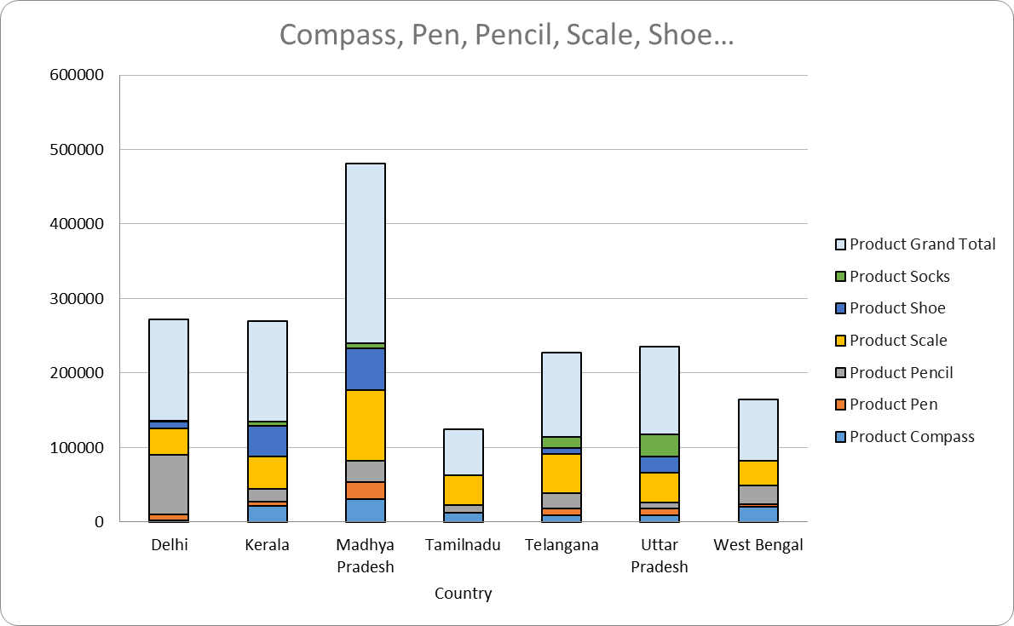
13 | Scale | Stationary | ₹ 2,116 | 28-1-2016 | Madhya Pradesh
14 | Scale | Stationary | ₹ 1,135 | 30-1-2016 | Kerala
15 | Pencil | Stationary | ₹ 1,161 | 2016-02-02 | Madhya Pradesh
16 | Compass | Stationary | ₹ 2,256 | 2016-04-02 | Delhi
17 | Scale | Stationary | ₹ 1,004 | 2016-11-02 | Tamilnadu
18 | Scale | Stationary | ₹ 3,642 | 14-2-2016 | West Bengal
19 | Scale | Stationary | ₹ 4,582 | 17-2-2016 | Madhya Pradesh
20 | Socks | Footwear | ₹ 3,559 | 17-2-2016 | Kerala
21 | Shoe | Footwear | ₹ 5,154 | 17-2-2016 | Telangana
22 | Pen | Stationary | ₹ 7,388 | 18-2-2016 | Delhi
23 | Socks | Footwear | ₹ 7,163 | 18-2-2016 | Madhya Pradesh
24 | Socks | Footwear | ₹ 5,101 | 20-2-2016 | Uttar Pradesh
25 | Pencil | Stationary | ₹ 7,602 | 21-2-2016 | Delhi
26 | Pen | Stationary | ₹ 1,641 | 22-2-2016 | Madhya Pradesh
27 | Pencil | Stationary | ₹ 8,892 | 23-2-2016 | Telangana
28 | Pencil | Stationary | ₹ 2,060 | 29-2-2016 | Delhi
29 | Pencil | Stationary | ₹ 6,509 | 2016-01-03 | Delhi
30 | Pencil | Stationary | ₹ 5,718 | 2016-04-03 | Telangana
31 | Pencil | Stationary | ₹ 7,655 | 2016-05-03 | Madhya Pradesh
32 | Shoe | Footwear | ₹ 9,116 | 2016-05-03 | Kerala
33 | Scale | Stationary | ₹ 2,795 | 15-3-2016 | Madhya Pradesh
34 | Scale | Stationary | ₹ 5,084 | 15-3-2016 | Madhya Pradesh
35 | Shoe | Footwear | ₹ 8,941 | 15-3-2016 | Kerala
36 | Scale | Stationary | ₹ 135 | 19-3-2016 | West Bengal
37 | Scale | Stationary | ₹ 9,400 | 19-3-2016 | Telangana
38 | Socks | Footwear | ₹ 6,045 | 21-3-2016 | Uttar Pradesh
39 | Pencil | Stationary | ₹ 5,820 | 22-3-2016 | Tamilnadu
40 | Compass | Stationary | ₹ 8,887 | 23-3-2016 | Uttar Pradesh
41 | Compass | Stationary | ₹ 6,982 | 24-3-2016 | Madhya Pradesh
42 | Scale | Stationary | ₹ 4,029 | 26-3-2016 | Telangana
43 | Shoe | Footwear | ₹ 3,665 | 26-3-2016 | Uttar Pradesh
44 | Scale | Stationary | ₹ 4,781 | 29-3-2016 | Delhi
45 | Pen | Stationary | ₹ 3,663 | 30-3-2016 | Telangana
46 | Pencil | Stationary | ₹ 6,331 | 2016-01-04 | Delhi
47 | Pencil | Stationary | ₹ 4,364 | 2016-01-04 | West Bengal
48 | Shoe | Footwear | ₹ 607 | 2016-03-04 | Kerala
49 | Scale | Stationary | ₹ 1,054 | 2016-06-04 | Tamilnadu
50 | Shoe | Footwear | ₹ 7,659 | 2016-06-04 | Madhya Pradesh
51 | Scale | Stationary | ₹ 235 | 17-4-2016 | Madhya Pradesh
52 | Compass | Stationary | ₹ 1,113 | 18-4-2016 | Telangana
53 | Pencil | Stationary | ₹ 1,128 | 21-4-2016 | Madhya Pradesh
54 | Scale | Stationary | ₹ 4,387 | 23-4-2016 | Madhya Pradesh
55 | Pencil | Stationary | ₹ 2,763 | 25-4-2016 | West Bengal
56 | Scale | Stationary | ₹ 7,898 | 27-4-2016 | Kerala
57 | Scale | Stationary | ₹ 2,427 | 30-4-2016 | Delhi
58 | Scale | Stationary | ₹ 8,663 | 2016-01-05 | Tamilnadu
59 | Shoe | Footwear | ₹ 2,789 | 2016-01-05 | Uttar Pradesh
60 | Scale | Stationary | ₹ 4,054 | 2016-02-05 | Madhya Pradesh
61 | Pen | Stationary | ₹ 2,262 | 2016-02-05 | Madhya Pradesh
62 | Pen | Stationary | ₹ 5,600 | 2016-02-05 | Kerala
63 | Scale | Stationary | ₹ 5,787 | 2016-03-05 | Madhya Pradesh
64 | Compass | Stationary | ₹ 6,295 | 2016-03-05 | West Bengal
65 | Scale | Stationary | ₹ 474 | 2016-05-05 | Uttar Pradesh
66 | Pencil | Stationary | ₹ 4,325 | 2016-05-05 | Delhi
67 | Scale | Stationary | ₹ 592 | 2016-06-05 | Madhya Pradesh
68 | Compass | Stationary | ₹ 4,330 | 2016-08-05 | Madhya Pradesh
69 | Scale | Stationary | ₹ 9,405 | 2016-08-05 | Kerala
70 | Pencil | Stationary | ₹ 7,671 | 2016-08-05 | Delhi
71 | Shoe | Footwear | ₹ 5,791 | 2016-08-05 | Kerala
72 | Scale | Stationary | ₹ 6,007 | 2016-12-05 | West Bengal
73 | Scale | Stationary | ₹ 5,030 | 14-5-2016 | Uttar Pradesh
74 | Shoe | Footwear | ₹ 6,763 | 14-5-2016 | Kerala
75 | Scale | Stationary | ₹ 4,248 | 15-5-2016 | Telangana
76 | Scale | Stationary | ₹ 9,543 | 16-5-2016 | Delhi
77 | Socks | Footwear | ₹ 7,094 | 16-5-2016 | Uttar Pradesh
78 | Shoe | Footwear | ₹ 6,087 | 18-5-2016 | Madhya Pradesh
79 | Pencil | Stationary | ₹ 4,264 | 19-5-2016 | Telangana
80 | Pen | Stationary | ₹ 9,333 | 20-5-2016 | Madhya Pradesh
81 | Pen | Stationary | ₹ 8,775 | 22-5-2016 | Uttar Pradesh
82 | Scale | Stationary | ₹ 5,632 | 25-5-2016 | Madhya Pradesh
83 | Scale | Stationary | ₹ 4,904 | 25-5-2016 | Tamilnadu
84 | Socks | Footwear | ₹ 1,002 | 25-5-2016 | Telangana
85 | Compass | Stationary | ₹ 8,141 | 26-5-2016 | Kerala
86 | Compass | Stationary | ₹ 3,644 | 26-5-2016 | West Bengal
87 | Compass | Stationary | ₹ 1,380 | 26-5-2016 | Telangana
88 | Scale | Stationary | ₹ 5,182 | 27-5-2016 | Madhya Pradesh
89 | Pencil | Stationary | ₹ 2,193 | 27-5-2016 | Delhi
90 | Pen | Stationary | ₹ 3,647 | 28-5-2016 | Madhya Pradesh
91 | Pencil | Stationary | ₹ 4,104 | 28-5-2016 | Madhya Pradesh
92 | Shoe | Footwear | ₹ 7,457 | 28-5-2016 | Madhya Pradesh
93 | Pen | Stationary | ₹ 3,767 | 29-5-2016 | West Bengal
94 | Scale | Stationary | ₹ 3,917 | 2016-04-06 | Madhya Pradesh
95 | Pencil | Stationary | ₹ 521 | 2016-04-06 | West Bengal
96 | Pencil | Stationary | ₹ 5,605 | 2016-10-06 | Delhi
97 | Scale | Stationary | ₹ 6,941 | 20-6-2016 | West Bengal
98 | Scale | Stationary | ₹ 107 | 25-6-2016 | Delhi
99 | Scale | Stationary | ₹ 4,243 | 26-6-2016 | Madhya Pradesh
100 | Compass | Stationary | ₹ 4,514 | 27-6-2016 | Madhya Pradesh
101 | Pen | Stationary | ₹ 5,480 | 2016-02-07 | Madhya Pradesh
102 | Scale | Stationary | ₹ 5,002 | 2016-02-07 | Delhi
103 | Scale | Stationary | ₹ 8,530 | 2016-05-07 | West Bengal
104 | Compass | Stationary | ₹ 4,819 | 2016-07-07 | Tamilnadu
105 | Compass | Stationary | ₹ 2,318 | 13-7-2016 | Kerala
106 | Compass | Stationary | ₹ 220 | 20-7-2016 | Kerala
107 | Compass | Stationary | ₹ 6,341 | 20-7-2016 | Tamilnadu
108 | Pencil | Stationary | ₹ 330 | 20-7-2016 | Uttar Pradesh
109 | Compass | Stationary | ₹ 850 | 22-7-2016 | Tamilnadu
110 | Scale | Stationary | ₹ 8,986 | 23-7-2016 | Kerala
111 | Shoe | Footwear | ₹ 5,751 | 28-7-2016 | Kerala
112 | Pencil | Stationary | ₹ 1,704 | 29-7-2016 | Kerala
113 | Scale | Stationary | ₹ 7,966 | 30-7-2016 | Telangana
114 | Scale | Stationary | ₹ 852 | 31-7-2016 | Madhya Pradesh
115 | Socks | Footwear | ₹ 8,416 | 31-7-2016 | Telangana
116 | Scale | Stationary | ₹ 7,144 | 2016-01-08 | Delhi
117 | Compass | Stationary | ₹ 859 | 2016-03-08 | Madhya Pradesh
118 | Scale | Stationary | ₹ 2,836 | 13-8-2016 | Uttar Pradesh
119 | Shoe | Footwear | ₹ 1,743 | 19-8-2016 | Madhya Pradesh
120 | Pencil | Stationary | ₹ 3,844 | 23-8-2016 | Delhi
121 | Pencil | Stationary | ₹ 7,490 | 24-8-2016 | Delhi
122 | Pencil | Stationary | ₹ 7,333 | 27-8-2016 | West Bengal
123 | Shoe | Footwear | ₹ 7,654 | 28-8-2016 | Madhya Pradesh
124 | Pencil | Stationary | ₹ 3,944 | 29-8-2016 | Kerala
125 | Socks | Footwear | ₹ 5,761 | 29-8-2016 | Uttar Pradesh
126 | Scale | Stationary | ₹ 6,864 | 2016-01-09 | Tamilnadu
127 | Scale | Stationary | ₹ 4,016 | 2016-01-09 | Uttar Pradesh
128 | Scale | Stationary | ₹ 1,841 | 2016-02-09 | Madhya Pradesh
129 | Scale | Stationary | ₹ 424 | 2016-05-09 | Telangana
130 | Scale | Stationary | ₹ 8,765 | 2016-07-09 | Kerala
131 | Scale | Stationary | ₹ 5,583 | 2016-08-09 | Madhya Pradesh
132 | Pencil | Stationary | ₹ 8,489 | 2016-11-09 | Madhya Pradesh
133 | Scale | Stationary | ₹ 7,090 | 2016-11-09 | Delhi
134 | Scale | Stationary | ₹ 7,880 | 15-9-2016 | Madhya Pradesh
135 | Compass | Stationary | ₹ 3,861 | 18-9-2016 | Madhya Pradesh
136 | Scale | Stationary | ₹ 6,162 | 20-9-2016 | Madhya Pradesh
137 | Pen | Stationary | ₹ 5,523 | 25-9-2016 | Telangana
138 | Shoe | Footwear | ₹ 7,251 | 26-9-2016 | Uttar Pradesh
139 | Compass | Stationary | ₹ 6,187 | 27-9-2016 | Telangana
140 | Scale | Stationary | ₹ 3,210 | 29-9-2016 | Uttar Pradesh
141 | Shoe | Footwear | ₹ 682 | 29-9-2016 | Uttar Pradesh
142 | Scale | Stationary | ₹ 793 | 2016-03-10 | Telangana
143 | Shoe | Footwear | ₹ 5,346 | 2016-04-10 | Uttar Pradesh
144 | Scale | Stationary | ₹ 7,103 | 2016-07-10 | Tamilnadu
145 | Shoe | Footwear | ₹ 4,603 | 2016-10-10 | Madhya Pradesh
146 | Pencil | Stationary | ₹ 8,160 | 16-10-2016 | Delhi
147 | Pencil | Stationary | ₹ 7,171 | 23-10-2016 | Kerala
148 | Scale | Stationary | ₹ 3,552 | 23-10-2016 | Tamilnadu
149 | Scale | Stationary | ₹ 7,273 | 25-10-2016 | Telangana
150 | Scale | Stationary | ₹ 2,402 | 26-10-2016 | Uttar Pradesh
151 | Scale | Stationary | ₹ 1,197 | 26-10-2016 | Telangana
152 | Socks | Footwear | ₹ 5,015 | 26-10-2016 | Telangana
153 | Compass | Stationary | ₹ 5,818 | 2016-02-11 | Madhya Pradesh
154 | Scale | Stationary | ₹ 4,399 | 2016-03-11 | Kerala
155 | Shoe | Footwear | ₹ 3,011 | 2016-03-11 | Madhya Pradesh
156 | Pencil | Stationary | ₹ 4,715 | 2016-09-11 | Kerala
157 | Pencil | Stationary | ₹ 5,321 | 2016-12-11 | Delhi
158 | Scale | Stationary | ₹ 8,894 | 15-11-2016 | Madhya Pradesh
159 | Shoe | Footwear | ₹ 4,846 | 25-11-2016 | Kerala
160 | Compass | Stationary | ₹ 8,283 | 26-11-2016 | Kerala
161 | Compass | Stationary | ₹ 9,990 | 28-11-2016 | West Bengal
162 | Scale | Stationary | ₹ 9,014 | 28-11-2016 | Telangana
163 | Pencil | Stationary | ₹ 1,942 | 29-11-2016 | Delhi
164 | Scale | Stationary | ₹ 7,223 | 30-11-2016 | Madhya Pradesh
165 | Shoe | Footwear | ₹ 4,673 | 2016-02-12 | Madhya Pradesh
166 | Shoe | Footwear | ₹ 9,104 | 2016-04-12 | Delhi
167 | Pencil | Stationary | ₹ 6,078 | 2016-05-12 | Madhya Pradesh
168 | Socks | Footwear | ₹ 3,278 | 2016-06-12 | Uttar Pradesh
169 | Scale | Stationary | ₹ 136 | 2016-12-12 | West Bengal
170 | Scale | Stationary | ₹ 8,377 | 2016-12-12 | Telangana
171 | Scale | Stationary | ₹ 2,382 | 2016-12-12 | Madhya Pradesh
172 | Scale | Stationary | ₹ 8,702 | 15-12-2016 | Uttar Pradesh
173 | Scale | Stationary | ₹ 5,021 | 16-12-2016 | Madhya Pradesh
174 | Pencil | Stationary | ₹ 1,760 | 16-12-2016 | Telangana
175 | Scale | Stationary | ₹ 4,766 | 18-12-2016 | Uttar Pradesh
176 | Socks | Footwear | ₹ 1,541 | 19-12-2016 | Kerala
177 | Compass | Stationary | ₹ 2,782 | 20-12-2016 | Kerala
178 | Pencil | Stationary | ₹ 2,455 | 20-12-2016 | West Bengal
179 | Pencil | Stationary | ₹ 4,512 | 22-12-2016 | Tamilnadu
180 | Pencil | Stationary | ₹ 8,752 | 22-12-2016 | Uttar Pradesh
181 | Shoe | Footwear | ₹ 9,127 | 25-12-2016 | Madhya Pradesh
182 | Pencil | Stationary | ₹ 1,777 | 28-12-2016 | Delhi
183 | Socks | Footwear | ₹ 680 | 28-12-2016 | Delhi
184 | Compass | Stationary | ₹ 958 | 29-12-2016 | Madhya Pradesh
185 | Shoe | Footwear | ₹ 2,613 | 29-12-2016 | Telangana
186 | Shoe | Footwear | ₹ 339 | 30-12-2016 | Telangana

